Sheet1
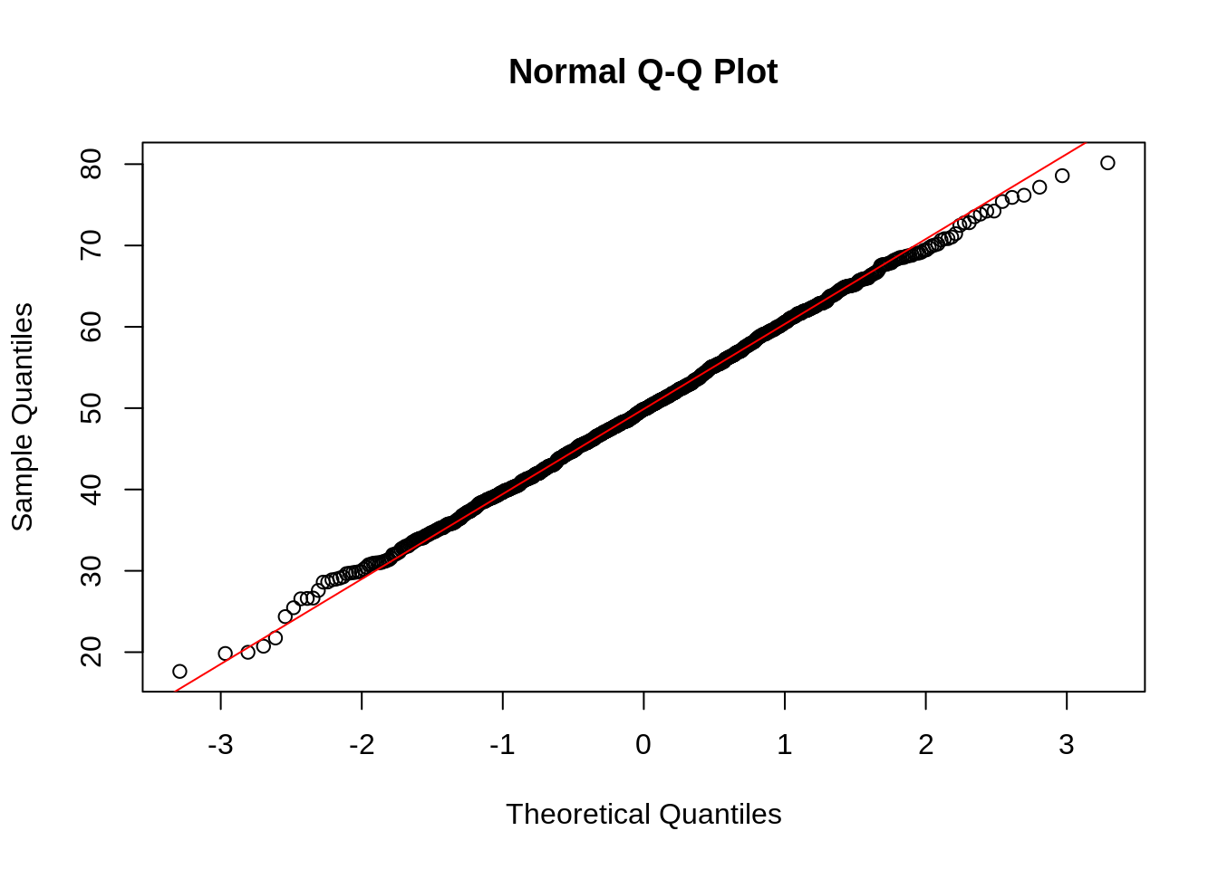
-1.69 | -1.9
-1.10 | -1.4
-0.75 | -0.7
-0.47 | -0.1
-0.23 | 0.0
0.00 | 0.1
0.23 | 0.3
0.47 | 0.4
0.75 | 0.7
1.10 | 0.8
1.69 | 1.7
QQ Plot or Probability Plot |  |  |  |  | p=i-0.5/n | z | Standardized X
 | Full form of QQ plot | Quantile Quantile plot | 1 | 52.53 | 0.05 | -1.69 | -1.9
 | What is QQ Plot ? | Q Q Plots (Quantile-Quantile plots) are plots of two quantiles against each other. Analyze and compare two probability distributions by plotting their quantiles against each other | 2 | 52.66 | 0.14 | -1.10 | -1.4
 | What is quantile ? | Quantile is a fraction where certain values fall below that quantile. For example, the median is a quantile where 50% of the data fall below that point and 50% lie above it | 3 | 52.86 | 0.23 | -0.75 | -0.7
 | Purpose of QQ Plot | The purpose of Q Q plots is to find out if two sets of data come from the same distribution. A 45 degree angle is plotted on the Q Q plot; if the two data sets come from a common distribution, the points will fall on that reference line. | 4 | 53.00 | 0.32 | -0.47 | -0.1
 |  |  | 5 | 53.04 | 0.41 | -0.23 | 0.0
 | If the points are not fall under 45 degree line | The points are not clustered on the 45 degree line, and in fact follow a curve, suggesting that the sample data is not normally distributed. | 6 | 53.07 | 0.50 | 0.00 | 0.1
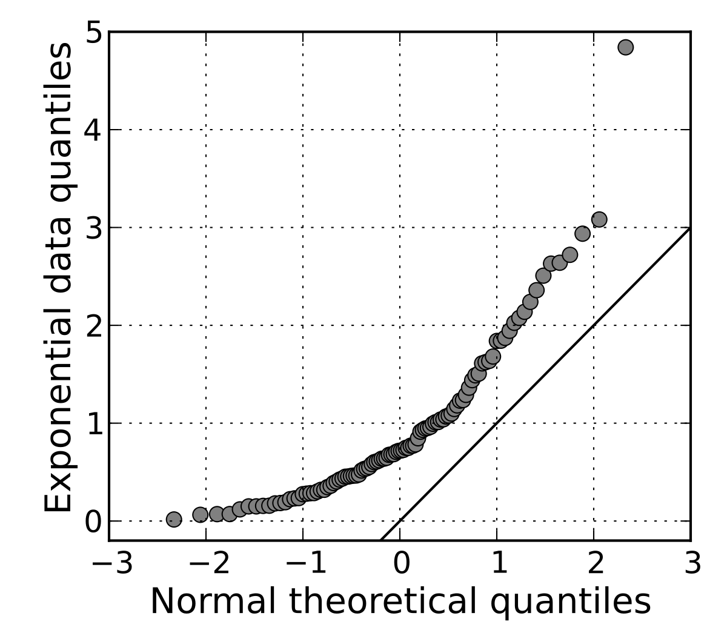
 |  |  | 7 | 53.13 | 0.59 | 0.23 | 0.3
 |  |  | 8 | 53.16 | 0.68 | 0.47 | 0.4
 |  |  | 9 | 53.23 | 0.77 | 0.75 | 0.7
 |  |  | 10 | 53.26 | 0.86 | 1.10 | 0.8
 |  |  | 11 | 53.50 | 0.95 | 1.69 | 1.7

 |  |  |  | Median
 |  |  |  | 53.07

 | If the points are fall under 45 degree line | The points are clustered on the 45 degree line, and in fact not follow a curve, suggesting that the sample data is normally distributed.

Sheet2
 | Standardized X
-4.0226756588 | -1.0390075649
-3.7560414287 | -1.0390075649
-3.6261273122 | -1.0390075649
-3.5382523145 | -1.0390075649
-3.4713407532 | -1.0390075649
-3.4170881527 | -1.0390075649
-3.3713420359 | -1.0390075649
-3.331719948 | -1.0390075649
-3.2967250603 | -1.0390075649
-3.2653540015 | -1.0390075649
-3.236900605 | -1.0390075649
-3.2108486167 | -1.0390075649
-3.1868089222 | -1.0390075649
-3.1644807909 | -1.0390075649
-3.1436268776 | -1.0390075649
-3.1240565004 | -1.0390075649
-3.105614105 | -1.0390075649
-3.088171096 | -1.0390075649
-3.0716199182 | -1.0390075649
-3.0558696819 | -1.0390075649
-3.040842872 | -1.0390075649
-3.0264728338 | -1.0390075649
-3.0127018242 | -1.0390075649
-2.999479483 | -1.0390075649
-2.9867616188 | -1.0390075649
-2.9745092362 | -1.0390075649
-2.9626877474 | -1.0390075649
-2.9512663282 | -1.0390075649
-2.9402173887 | -1.0390075649
-2.9295161332 | -1.0390075649
-2.919140193 | -1.0390075649
-2.9090693184 | -1.0390075649
-2.8992851173 | -1.0390075649
-2.8897708335 | -1.0390075649
-2.8805111574 | -1.0390075649
-2.8714920629 | -1.0390075649
-2.8627006672 | -1.0390075649
-2.8541251089 | -1.0390075649
-2.8457544423 | -1.0390075649
-2.837578545 | -1.0390075649
-2.8295880366 | -1.0390075649
-2.8217742078 | -1.0390075649
-2.8141289573 | -1.0390075649
-2.806644736 | -1.0390075649
-2.7993144982 | -1.0390075649
-2.7921316566 | -1.0390075649
-2.7850900441 | -1.0390075649
-2.778183878 | -1.0390075649
-2.7714077286 | -1.0390075649
-2.7647564909 | -1.0390075649
...
 |  |  | Theoretical Quantile | Sample Quantile
i=S.No. | count | Prob_i = (i-0.5) / n | Z Score of i | Standardized X
1 | 1 | 2.8770355026E-05 | -4.0226756588 | -1.0390075649
2 | 1 | 8.6311065079E-05 | -3.7560414287 | -1.0390075649
3 | 1 | 0.00014385177513 | -3.6261273122 | -1.0390075649
4 | 1 | 0.00020139248518 | -3.5382523145 | -1.0390075649
5 | 1 | 0.00025893319524 | -3.4713407532 | -1.0390075649
6 | 1 | 0.00031647390529 | -3.4170881527 | -1.0390075649
7 | 1 | 0.00037401461534 | -3.3713420359 | -1.0390075649
8 | 1 | 0.00043155532539 | -3.331719948 | -1.0390075649
9 | 1 | 0.00048909603545 | -3.2967250603 | -1.0390075649
10 | 1 | 0.0005466367455 | -3.2653540015 | -1.0390075649
11 | 1 | 0.00060417745555 | -3.236900605 | -1.0390075649
12 | 1 | 0.0006617181656 | -3.2108486167 | -1.0390075649
13 | 1 | 0.00071925887565 | -3.1868089222 | -1.0390075649
14 | 1 | 0.00077679958571 | -3.1644807909 | -1.0390075649
15 | 1 | 0.00083434029576 | -3.1436268776 | -1.0390075649
16 | 1 | 0.00089188100581 | -3.1240565004 | -1.0390075649
17 | 1 | 0.00094942171586 | -3.105614105 | -1.0390075649
18 | 1 | 0.0010069624259 | -3.088171096 | -1.0390075649
19 | 1 | 0.001064503136 | -3.0716199182 | -1.0390075649
20 | 1 | 0.001122043846 | -3.0558696819 | -1.0390075649
21 | 1 | 0.0011795845561 | -3.040842872 | -1.0390075649
22 | 1 | 0.0012371252661 | -3.0264728338 | -1.0390075649
23 | 1 | 0.0012946659762 | -3.0127018242 | -1.0390075649
24 | 1 | 0.0013522066862 | -2.999479483 | -1.0390075649
25 | 1 | 0.0014097473963 | -2.9867616188 | -1.0390075649
26 | 1 | 0.0014672881063 | -2.9745092362 | -1.0390075649
27 | 1 | 0.0015248288164 | -2.9626877474 | -1.0390075649
28 | 1 | 0.0015823695264 | -2.9512663282 | -1.0390075649
29 | 1 | 0.0016399102365 | -2.9402173887 | -1.0390075649
30 | 1 | 0.0016974509465 | -2.9295161332 | -1.0390075649
31 | 1 | 0.0017549916566 | -2.919140193 | -1.0390075649
32 | 1 | 0.0018125323666 | -2.9090693184 | -1.0390075649
33 | 1 | 0.0018700730767 | -2.8992851173 | -1.0390075649
34 | 1 | 0.0019276137868 | -2.8897708335 | -1.0390075649
35 | 1 | 0.0019851544968 | -2.8805111574 | -1.0390075649
36 | 1 | 0.0020426952069 | -2.8714920629 | -1.0390075649
37 | 1 | 0.0021002359169 | -2.8627006672 | -1.0390075649
38 | 1 | 0.002157776627 | -2.8541251089 | -1.0390075649
39 | 1 | 0.002215317337 | -2.8457544423 | -1.0390075649
40 | 1 | 0.0022728580471 | -2.837578545 | -1.0390075649
41 | 1 | 0.0023303987571 | -2.8295880366 | -1.0390075649
42 | 1 | 0.0023879394672 | -2.8217742078 | -1.0390075649
43 | 1 | 0.0024454801772 | -2.8141289573 | -1.0390075649
44 | 1 | 0.0025030208873 | -2.806644736 | -1.0390075649
45 | 1 | 0.0025605615973 | -2.7993144982 | -1.0390075649
46 | 1 | 0.0026181023074 | -2.7921316566 | -1.0390075649
47 | 1 | 0.0026756430174 | -2.7850900441 | -1.0390075649
48 | 1 | 0.0027331837275 | -2.778183878 | -1.0390075649
49 | 1 | 0.0027907244375 | -2.7714077286 | -1.0390075649
50 | 1 | 0.0028482651476 | -2.7647564909 | -1.0390075649
51 | 1 | 0.0029058058576 | -2.7582253592 | -1.0390075649
52 | 1 | 0.0029633465677 | -2.7518098037 | -1.0390075649
53 | 1 | 0.0030208872777 | -2.7455055499 | -1.0390075649
54 | 1 | 0.0030784279878 | -2.7393085595 | -1.0390075649
55 | 1 | 0.0031359686979 | -2.7332150134 | -1.0390075649
56 | 1 | 0.0031935094079 | -2.7272212957 | -1.0390075649
57 | 1 | 0.003251050118 | -2.7213239796 | -1.0390075649
58 | 1 | 0.003308590828 | -2.7155198144 | -1.0390075649
59 | 1 | 0.0033661315381 | -2.7098057137 | -1.0390075649
60 | 1 | 0.0034236722481 | -2.7041787439 | -1.0390075649
61 | 1 | 0.0034812129582 | -2.6986361149 | -1.0390075649
62 | 1 | 0.0035387536682 | -2.6931751703 | -1.0390075649
63 | 1 | 0.0035962943783 | -2.6877933792 | -1.0390075649
64 | 1 | 0.0036538350883 | -2.6824883282 | -1.0390075649
65 | 1 | 0.0037113757984 | -2.6772577145 | -1.0390075649
66 | 1 | 0.0037689165084 | -2.6720993389 | -1.0390075649
67 | 1 | 0.0038264572185 | -2.6670110995 | -1.0390075649
68 | 1 | 0.0038839979285 | -2.6619909864 | -1.0390075649
69 | 1 | 0.0039415386386 | -2.6570370763 | -1.0390075649
70 | 1 | 0.0039990793486 | -2.6521475273 | -1.0390075649
71 | 1 | 0.0040566200587 | -2.6473205745 | -1.0390075649
72 | 1 | 0.0041141607687 | -2.6425545258 | -1.0390075649
73 | 1 | 0.0041717014788 | -2.6378477578 | -1.0390075649
74 | 1 | 0.0042292421888 | -2.6331987121 | -1.0390075649
75 | 1 | 0.0042867828989 | -2.6286058922 | -1.0390075649
76 | 1 | 0.004344323609 | -2.6240678595 | -1.0390075649
77 | 1 | 0.004401864319 | -2.6195832312 | -1.0390075649
78 | 1 | 0.0044594050291 | -2.6151506767 | -1.0390075649
79 | 1 | 0.0045169457391 | -2.6107689155 | -1.0390075649
80 | 1 | 0.0045744864492 | -2.6064367145 | -1.0390075649
81 | 1 | 0.0046320271592 | -2.6021528855 | -1.0390075649
82 | 1 | 0.0046895678693 | -2.5979162833 | -1.0390075649
83 | 1 | 0.0047471085793 | -2.5937258037 | -1.0390075649
84 | 1 | 0.0048046492894 | -2.5895803811 | -1.0390075649
85 | 1 | 0.0048621899994 | -2.5854789872 | -1.0390075649
86 | 1 | 0.0049197307095 | -2.581420629 | -1.0390075649
87 | 1 | 0.0049772714195 | -2.5774043472 | -1.0390075649
88 | 1 | 0.0050348121296 | -2.5734292149 | -1.0390075649
89 | 1 | 0.0050923528396 | -2.5694943357 | -1.0390075649
90 | 1 | 0.0051498935497 | -2.5655988431 | -1.0390075649
91 | 1 | 0.0052074342597 | -2.5617418982 | -1.0390075649
92 | 1 | 0.0052649749698 | -2.5579226895 | -1.0390075649
93 | 1 | 0.0053225156798 | -2.5541404309 | -1.0390075649
94 | 1 | 0.0053800563899 | -2.5503943614 | -1.0390075649
95 | 1 | 0.0054375970999 | -2.5466837434 | -1.0390075649
96 | 1 | 0.00549513781 | -2.543007862 | -1.0390075649
97 | 1 | 0.0055526785201 | -2.539366024 | -1.0390075649
98 | 1 | 0.0056102192301 | -2.5357575574 | -1.0390075649
99 | 1 | 0.0056677599402 | -2.5321818099 | -1.0390075649
100 | 1 | 0.0057253006502 | -2.5286381486 | -1.0390075649
101 | 1 | 0.0057828413603 | -2.5251259591 | -1.0390075649
102 | 1 | 0.0058403820703 | -2.5216446447 | -1.0390075649
103 | 1 | 0.0058979227804 | -2.5181936258 | -1.0390075649
104 | 1 | 0.0059554634904 | -2.5147723393 | -1.0390075649
105 | 1 | 0.0060130042005 | -2.5113802378 | -1.0390075649
106 | 1 | 0.0060705449105 | -2.5080167894 | -1.0390075649
107 | 1 | 0.0061280856206 | -2.5046814765 | -1.0390075649
108 | 1 | 0.0061856263306 | -2.5013737959 | -1.0390075649
109 | 1 | 0.0062431670407 | -2.4980932578 | -1.0390075649
110 | 1 | 0.0063007077507 | -2.4948393858 | -1.0390075649
111 | 1 | 0.0063582484608 | -2.4916117158 | -1.0390075649
112 | 1 | 0.0064157891708 | -2.4884097961 | -1.0390075649
113 | 1 | 0.0064733298809 | -2.4852331869 | -1.0390075649
114 | 1 | 0.0065308705909 | -2.4820814596 | -1.0390075649
115 | 1 | 0.006588411301 | -2.4789541966 | -1.0390075649
116 | 1 | 0.006645952011 | -2.4758509908 | -1.0390075649
117 | 1 | 0.0067034927211 | -2.4727714456 | -1.0390075649
118 | 1 | 0.0067610334312 | -2.4697151741 | -1.0390075649
119 | 1 | 0.0068185741412 | -2.466681799 | -1.0390075649
120 | 1 | 0.0068761148513 | -2.4636709523 | -1.0390075649
121 | 1 | 0.0069336555613 | -2.4606822751 | -1.0390075649
122 | 1 | 0.0069911962714 | -2.4577154168 | -1.0390075649
123 | 1 | 0.0070487369814 | -2.4547700354 | -1.0390075649
124 | 1 | 0.0071062776915 | -2.4518457971 | -1.0390075649
125 | 1 | 0.0071638184015 | -2.4489423759 | -1.0390075649
126 | 1 | 0.0072213591116 | -2.4460594532 | -1.0390075649
127 | 1 | 0.0072788998216 | -2.4431967181 | -1.0390075649
128 | 1 | 0.0073364405317 | -2.4403538667 | -1.0390075649
129 | 1 | 0.0073939812417 | -2.437530602 | -1.0390075649
130 | 1 | 0.0074515219518 | -2.4347266337 | -1.0390075649
131 | 1 | 0.0075090626618 | -2.4319416781 | -1.0390075649
132 | 1 | 0.0075666033719 | -2.4291754579 | -1.0390075649
133 | 1 | 0.0076241440819 | -2.4264277016 | -1.0390075649
134 | 1 | 0.007681684792 | -2.4236981441 | -1.0390075649
135 | 1 | 0.007739225502 | -2.4209865257 | -1.0390075649
136 | 1 | 0.0077967662121 | -2.4182925925 | -1.0390075649
137 | 1 | 0.0078543069221 | -2.415616096 | -1.0390075649
138 | 1 | 0.0079118476322 | -2.412956793 | -1.0390075649
139 | 1 | 0.0079693883423 | -2.4103144455 | -1.0390075649
140 | 1 | 0.0080269290523 | -2.4076888204 | -1.0390075649
141 | 1 | 0.0080844697624 | -2.4050796895 | -1.0390075649
142 | 1 | 0.0081420104724 | -2.4024868293 | -1.0390075649
143 | 1 | 0.0081995511825 | -2.3999100209 | -1.0390075649
144 | 1 | 0.0082570918925 | -2.3973490499 | -1.0390075649
145 | 1 | 0.0083146326026 | -2.3948037062 | -1.0390075649
146 | 1 | 0.0083721733126 | -2.392273784 | -1.0390075649
147 | 1 | 0.0084297140227 | -2.3897590815 | -1.0390075649
148 | 1 | 0.0084872547327 | -2.387259401 | -1.0390075649
149 | 1 | 0.0085447954428 | -2.3847745487 | -1.0390075649
150 | 1 | 0.0086023361528 | -2.3823043344 | -1.0390075649
151 | 1 | 0.0086598768629 | -2.3798485719 | -1.0390075649
152 | 1 | 0.0087174175729 | -2.3774070783 | -1.0390075649
153 | 1 | 0.008774958283 | -2.3749796745 | -1.0390075649
154 | 1 | 0.008832498993 | -2.3725661846 | -1.0390075649
155 | 1 | 0.0088900397031 | -2.3701664361 | -1.0390075649
156 | 1 | 0.0089475804131 | -2.3677802598 | -1.0390075649
157 | 1 | 0.0090051211232 | -2.3654074896 | -1.0390075649
158 | 1 | 0.0090626618332 | -2.3630479624 | -1.0390075649
159 | 2 | 0.0091202025433 | -2.3607015182 | -1.0334945088
160 | 2 | 0.0091777432534 | -2.3583680001 | -1.0334945088
161 | 2 | 0.0092352839634 | -2.3560472538 | -1.0334945088
162 | 2 | 0.0092928246735 | -2.3537391278 | -1.0334945088
163 | 2 | 0.0093503653835 | -2.3514434736 | -1.0334945088
164 | 2 | 0.0094079060936 | -2.3491601451 | -1.0334945088
165 | 2 | 0.0094654468036 | -2.3468889988 | -1.0334945088
166 | 2 | 0.0095229875137 | -2.3446298938 | -1.0334945088
167 | 2 | 0.0095805282237 | -2.3423826919 | -1.0334945088
168 | 2 | 0.0096380689338 | -2.3401472568 | -1.0334945088
169 | 2 | 0.0096956096438 | -2.3379234551 | -1.0334945088
170 | 2 | 0.0097531503539 | -2.3357111553 | -1.0334945088
171 | 2 | 0.0098106910639 | -2.3335102284 | -1.0334945088
172 | 2 | 0.009868231774 | -2.3313205474 | -1.0334945088
173 | 2 | 0.009925772484 | -2.3291419878 | -1.0334945088
174 | 2 | 0.0099833131941 | -2.3269744267 | -1.0334945088
175 | 2 | 0.010040853904 | -2.3248177437 | -1.0334945088
176 | 2 | 0.010098394614 | -2.3226718202 | -1.0334945088
177 | 2 | 0.010155935324 | -2.3205365395 | -1.0334945088
178 | 2 | 0.010213476034 | -2.318411787 | -1.0334945088
179 | 2 | 0.010271016744 | -2.3162974499 | -1.0334945088
180 | 2 | 0.010328557454 | -2.3141934171 | -1.0334945088
181 | 2 | 0.010386098164 | -2.3120995796 | -1.0334945088
182 | 2 | 0.010443638875 | -2.3100158299 | -1.0334945088
183 | 2 | 0.010501179585 | -2.3079420622 | -1.0334945088
184 | 2 | 0.010558720295 | -2.3058781727 | -1.0334945088
185 | 2 | 0.010616261005 | -2.3038240589 | -1.0334945088
186 | 2 | 0.010673801715 | -2.30177962 | -1.0334945088
187 | 2 | 0.010731342425 | -2.2997447569 | -1.0334945088
188 | 2 | 0.010788883135 | -2.297719372 | -1.0334945088
189 | 2 | 0.010846423845 | -2.2957033691 | -1.0334945088
190 | 2 | 0.010903964555 | -2.2936966536 | -1.0334945088
191 | 2 | 0.010961505265 | -2.2916991323 | -1.0334945088
192 | 2 | 0.011019045975 | -2.2897107134 | -1.0334945088
193 | 2 | 0.011076586685 | -2.2877313067 | -1.0334945088
194 | 2 | 0.011134127395 | -2.285760823 | -1.0334945088
195 | 2 | 0.011191668105 | -2.2837991746 | -1.0334945088
196 | 2 | 0.011249208815 | -2.2818462754 | -1.0334945088
197 | 2 | 0.011306749525 | -2.27990204 | -1.0334945088
198 | 2 | 0.011364290235 | -2.2779663848 | -1.0334945088
199 | 2 | 0.011421830945 | -2.2760392272 | -1.0334945088
200 | 2 | 0.011479371655 | -2.2741204857 | -1.0334945088
201 | 2 | 0.011536912365 | -2.2722100802 | -1.0334945088
202 | 2 | 0.011594453076 | -2.2703079317 | -1.0334945088
203 | 2 | 0.011651993786 | -2.2684139622 | -1.0334945088
204 | 2 | 0.011709534496 | -2.266528095 | -1.0334945088
205 | 2 | 0.011767075206 | -2.2646502544 | -1.0334945088
206 | 2 | 0.011824615916 | -2.2627803658 | -1.0334945088
207 | 2 | 0.011882156626 | -2.2609183556 | -1.0334945088
208 | 2 | 0.011939697336 | -2.2590641515 | -1.0334945088
209 | 2 | 0.011997238046 | -2.2572176817 | -1.0334945088
210 | 2 | 0.012054778756 | -2.2553788759 | -1.0334945088
211 | 2 | 0.012112319466 | -2.2535476645 | -1.0334945088
212 | 2 | 0.012169860176 | -2.251723979 | -1.0334945088
213 | 2 | 0.012227400886 | -2.2499077518 | -1.0334945088
214 | 2 | 0.012284941596 | -2.248098916 | -1.0334945088
215 | 2 | 0.012342482306 | -2.246297406 | -1.0334945088
216 | 2 | 0.012400023016 | -2.2445031569 | -1.0334945088
217 | 2 | 0.012457563726 | -2.2427161046 | -1.0334945088
218 | 2 | 0.012515104436 | -2.240936186 | -1.0334945088
219 | 2 | 0.012572645146 | -2.2391633387 | -1.0334945088
220 | 2 | 0.012630185856 | -2.2373975012 | -1.0334945088
221 | 2 | 0.012687726567 | -2.235638613 | -1.0334945088
222 | 2 | 0.012745267277 | -2.233886614 | -1.0334945088
223 | 2 | 0.012802807987 | -2.2321414452 | -1.0334945088
224 | 2 | 0.012860348697 | -2.2304030483 | -1.0334945088
225 | 2 | 0.012917889407 | -2.2286713657 | -1.0334945088
226 | 2 | 0.012975430117 | -2.2269463406 | -1.0334945088
227 | 2 | 0.013032970827 | -2.2252279169 | -1.0334945088
228 | 2 | 0.013090511537 | -2.2235160392 | -1.0334945088
229 | 2 | 0.013148052247 | -2.2218106529 | -1.0334945088
230 | 2 | 0.013205592957 | -2.220111704 | -1.0334945088
231 | 2 | 0.013263133667 | -2.2184191393 | -1.0334945088
232 | 2 | 0.013320674377 | -2.216732906 | -1.0334945088
233 | 2 | 0.013378215087 | -2.2150529523 | -1.0334945088
234 | 2 | 0.013435755797 | -2.2133792269 | -1.0334945088
235 | 2 | 0.013493296507 | -2.211711679 | -1.0334945088
236 | 2 | 0.013550837217 | -2.2100502588 | -1.0334945088
237 | 2 | 0.013608377927 | -2.2083949166 | -1.0334945088
238 | 2 | 0.013665918637 | -2.2067456038 | -1.0334945088
239 | 2 | 0.013723459347 | -2.205102272 | -1.0334945088
240 | 2 | 0.013781000058 | -2.2034648738 | -1.0334945088
241 | 2 | 0.013838540768 | -2.2018333619 | -1.0334945088
242 | 2 | 0.013896081478 | -2.20020769 | -1.0334945088
243 | 2 | 0.013953622188 | -2.1985878121 | -1.0334945088
244 | 2 | 0.014011162898 | -2.1969736829 | -1.0334945088
245 | 2 | 0.014068703608 | -2.1953652575 | -1.0334945088
246 | 2 | 0.014126244318 | -2.1937624915 | -1.0334945088
247 | 2 | 0.014183785028 | -2.1921653413 | -1.0334945088
248 | 2 | 0.014241325738 | -2.1905737636 | -1.0334945088
249 | 2 | 0.014298866448 | -2.1889877156 | -1.0334945088
250 | 2 | 0.014356407158 | -2.187407155 | -1.0334945088
251 | 2 | 0.014413947868 | -2.1858320402 | -1.0334945088
252 | 2 | 0.014471488578 | -2.1842623297 | -1.0334945088
253 | 2 | 0.014529029288 | -2.1826979829 | -1.0334945088
254 | 2 | 0.014586569998 | -2.1811389594 | -1.0334945088
255 | 2 | 0.014644110708 | -2.1795852193 | -1.0334945088
256 | 2 | 0.014701651418 | -2.1780367232 | -1.0334945088
257 | 2 | 0.014759192128 | -2.1764934321 | -1.0334945088
258 | 2 | 0.014816732838 | -2.1749553076 | -1.0334945088
259 | 2 | 0.014874273549 | -2.1734223114 | -1.0334945088
260 | 2 | 0.014931814259 | -2.1718944061 | -1.0334945088
261 | 2 | 0.014989354969 | -2.1703715542 | -1.0334945088
262 | 2 | 0.015046895679 | -2.168853719 | -1.0334945088
263 | 2 | 0.015104436389 | -2.1673408641 | -1.0334945088
264 | 2 | 0.015161977099 | -2.1658329535 | -1.0334945088
265 | 2 | 0.015219517809 | -2.1643299514 | -1.0334945088
266 | 2 | 0.015277058519 | -2.1628318228 | -1.0334945088
267 | 2 | 0.015334599229 | -2.1613385328 | -1.0334945088
268 | 2 | 0.015392139939 | -2.1598500468 | -1.0334945088
269 | 2 | 0.015449680649 | -2.1583663309 | -1.0334945088
270 | 2 | 0.015507221359 | -2.1568873513 | -1.0334945088
271 | 2 | 0.015564762069 | -2.1554130746 | -1.0334945088
272 | 2 | 0.015622302779 | -2.1539434678 | -1.0334945088
273 | 2 | 0.015679843489 | -2.1524784984 | -1.0334945088
274 | 2 | 0.015737384199 | -2.1510181339 | -1.0334945088
275 | 2 | 0.015794924909 | -2.1495623425 | -1.0334945088
276 | 2 | 0.015852465619 | -2.1481110925 | -1.0334945088
277 | 2 | 0.015910006329 | -2.1466643526 | -1.0334945088
278 | 2 | 0.01596754704 | -2.145222092 | -1.0334945088
279 | 2 | 0.01602508775 | -2.1437842798 | -1.0334945088
280 | 2 | 0.01608262846 | -2.142350886 | -1.0334945088
281 | 2 | 0.01614016917 | -2.1409218803 | -1.0334945088
282 | 2 | 0.01619770988 | -2.1394972332 | -1.0334945088
283 | 2 | 0.01625525059 | -2.1380769153 | -1.0334945088
284 | 2 | 0.0163127913 | -2.1366608975 | -1.0334945088
285 | 2 | 0.01637033201 | -2.135249151 | -1.0334945088
286 | 2 | 0.01642787272 | -2.1338416473 | -1.0334945088
287 | 2 | 0.01648541343 | -2.1324383583 | -1.0334945088
288 | 2 | 0.01654295414 | -2.131039256 | -1.0334945088
289 | 2 | 0.01660049485 | -2.1296443127 | -1.0334945088
290 | 2 | 0.01665803556 | -2.1282535012 | -1.0334945088
291 | 2 | 0.01671557627 | -2.1268667944 | -1.0334945088
292 | 2 | 0.01677311698 | -2.1254841654 | -1.0334945088
293 | 2 | 0.01683065769 | -2.1241055877 | -1.0334945088
294 | 2 | 0.0168881984 | -2.122731035 | -1.0334945088
295 | 2 | 0.01694573911 | -2.1213604814 | -1.0334945088
296 | 2 | 0.01700327982 | -2.119993901 | -1.0334945088
297 | 2 | 0.017060820531 | -2.1186312684 | -1.0334945088
298 | 2 | 0.017118361241 | -2.1172725582 | -1.0334945088
299 | 2 | 0.017175901951 | -2.1159177455 | -1.0334945088
300 | 2 | 0.017233442661 | -2.1145668055 | -1.0334945088
301 | 2 | 0.017290983371 | -2.1132197137 | -1.0334945088
302 | 2 | 0.017348524081 | -2.1118764458 | -1.0334945088
303 | 2 | 0.017406064791 | -2.1105369777 | -1.0334945088
304 | 2 | 0.017463605501 | -2.1092012856 | -1.0334945088
305 | 2 | 0.017521146211 | -2.107869346 | -1.0334945088
306 | 2 | 0.017578686921 | -2.1065411353 | -1.0334945088
307 | 2 | 0.017636227631 | -2.1052166305 | -1.0334945088
308 | 2 | 0.017693768341 | -2.1038958087 | -1.0334945088
309 | 2 | 0.017751309051 | -2.1025786471 | -1.0334945088
310 | 2 | 0.017808849761 | -2.1012651232 | -1.0334945088
311 | 2 | 0.017866390471 | -2.0999552148 | -1.0334945088
312 | 2 | 0.017923931181 | -2.0986488997 | -1.0334945088
313 | 2 | 0.017981471891 | -2.097346156 | -1.0334945088
314 | 2 | 0.018039012601 | -2.0960469622 | -1.0334945088
315 | 2 | 0.018096553311 | -2.0947512967 | -1.0334945088
316 | 2 | 0.018154094022 | -2.0934591382 | -1.0334945088
317 | 2 | 0.018211634732 | -2.0921704657 | -1.0334945088
318 | 2 | 0.018269175442 | -2.0908852583 | -1.0334945088
319 | 2 | 0.018326716152 | -2.0896034953 | -1.0334945088
320 | 2 | 0.018384256862 | -2.0883251561 | -1.0334945088
321 | 2 | 0.018441797572 | -2.0870502205 | -1.0334945088
322 | 2 | 0.018499338282 | -2.0857786683 | -1.0334945088
323 | 2 | 0.018556878992 | -2.0845104796 | -1.0334945088
324 | 2 | 0.018614419702 | -2.0832456346 | -1.0334945088
325 | 2 | 0.018671960412 | -2.0819841137 | -1.0334945088
326 | 2 | 0.018729501122 | -2.0807258974 | -1.0334945088
327 | 2 | 0.018787041832 | -2.0794709665 | -1.0334945088
328 | 2 | 0.018844582542 | -2.078219302 | -1.0334945088
329 | 2 | 0.018902123252 | -2.0769708849 | -1.0334945088
330 | 2 | 0.018959663962 | -2.0757256965 | -1.0334945088
331 | 2 | 0.019017204672 | -2.0744837182 | -1.0334945088
332 | 2 | 0.019074745382 | -2.0732449316 | -1.0334945088
333 | 2 | 0.019132286092 | -2.0720093184 | -1.0334945088
334 | 2 | 0.019189826802 | -2.0707768606 | -1.0334945088
335 | 2 | 0.019247367513 | -2.0695475402 | -1.0334945088
336 | 2 | 0.019304908223 | -2.0683213394 | -1.0334945088
337 | 2 | 0.019362448933 | -2.0670982406 | -1.0334945088
338 | 2 | 0.019419989643 | -2.0658782263 | -1.0334945088
339 | 2 | 0.019477530353 | -2.0646612792 | -1.0334945088
340 | 2 | 0.019535071063 | -2.0634473822 | -1.0334945088
341 | 2 | 0.019592611773 | -2.0622365181 | -1.0334945088
342 | 2 | 0.019650152483 | -2.0610286701 | -1.0334945088
343 | 2 | 0.019707693193 | -2.0598238215 | -1.0334945088
344 | 2 | 0.019765233903 | -2.0586219557 | -1.0334945088
345 | 2 | 0.019822774613 | -2.0574230562 | -1.0334945088
346 | 2 | 0.019880315323 | -2.0562271066 | -1.0334945088
347 | 2 | 0.019937856033 | -2.0550340909 | -1.0334945088
348 | 2 | 0.019995396743 | -2.0538439929 | -1.0334945088
349 | 2 | 0.020052937453 | -2.0526567967 | -1.0334945088
350 | 2 | 0.020110478163 | -2.0514724866 | -1.0334945088
351 | 2 | 0.020168018873 | -2.0502910469 | -1.0334945088
352 | 2 | 0.020225559583 | -2.0491124621 | -1.0334945088
353 | 2 | 0.020283100293 | -2.0479367168 | -1.0334945088
354 | 2 | 0.020340641004 | -2.0467637957 | -1.0334945088
355 | 2 | 0.020398181714 | -2.0455936837 | -1.0334945088
356 | 2 | 0.020455722424 | -2.0444263657 | -1.0334945088
357 | 2 | 0.020513263134 | -2.0432618269 | -1.0334945088
358 | 2 | 0.020570803844 | -2.0421000526 | -1.0334945088
359 | 2 | 0.020628344554 | -2.0409410279 | -1.0334945088
360 | 2 | 0.020685885264 | -2.0397847385 | -1.0334945088
361 | 2 | 0.020743425974 | -2.0386311698 | -1.0334945088
362 | 2 | 0.020800966684 | -2.0374803076 | -1.0334945088
363 | 2 | 0.020858507394 | -2.0363321378 | -1.0334945088
364 | 2 | 0.020916048104 | -2.0351866461 | -1.0334945088
365 | 2 | 0.020973588814 | -2.0340438187 | -1.0334945088
366 | 2 | 0.021031129524 | -2.0329036418 | -1.0334945088
367 | 3 | 0.021088670234 | -2.0317661015 | -1.0279814528
368 | 3 | 0.021146210944 | -2.0306311842 | -1.0279814528
369 | 3 | 0.021203751654 | -2.0294988765 | -1.0279814528
370 | 3 | 0.021261292364 | -2.0283691648 | -1.0279814528
371 | 3 | 0.021318833074 | -2.027242036 | -1.0279814528
372 | 3 | 0.021376373784 | -2.0261174767 | -1.0279814528
373 | 3 | 0.021433914495 | -2.0249954739 | -1.0279814528
374 | 3 | 0.021491455205 | -2.0238760145 | -1.0279814528
375 | 3 | 0.021548995915 | -2.0227590858 | -1.0279814528
376 | 3 | 0.021606536625 | -2.0216446748 | -1.0279814528
377 | 3 | 0.021664077335 | -2.0205327688 | -1.0279814528
378 | 3 | 0.021721618045 | -2.0194233554 | -1.0279814528
379 | 3 | 0.021779158755 | -2.0183164218 | -1.0279814528
380 | 3 | 0.021836699465 | -2.0172119558 | -1.0279814528
381 | 3 | 0.021894240175 | -2.016109945 | -1.0279814528
382 | 3 | 0.021951780885 | -2.0150103773 | -1.0279814528
383 | 3 | 0.022009321595 | -2.0139132403 | -1.0279814528
384 | 3 | 0.022066862305 | -2.0128185222 | -1.0279814528
385 | 3 | 0.022124403015 | -2.011726211 | -1.0279814528
386 | 3 | 0.022181943725 | -2.0106362948 | -1.0279814528
387 | 3 | 0.022239484435 | -2.0095487619 | -1.0279814528
388 | 3 | 0.022297025145 | -2.0084636005 | -1.0279814528
389 | 3 | 0.022354565855 | -2.0073807991 | -1.0279814528
390 | 3 | 0.022412106565 | -2.0063003461 | -1.0279814528
391 | 3 | 0.022469647275 | -2.0052222302 | -1.0279814528
392 | 3 | 0.022527187985 | -2.00414644 | -1.0279814528
393 | 3 | 0.022584728696 | -2.0030729643 | -1.0279814528
394 | 3 | 0.022642269406 | -2.0020017919 | -1.0279814528
395 | 3 | 0.022699810116 | -2.0009329116 | -1.0279814528
396 | 3 | 0.022757350826 | -1.9998663126 | -1.0279814528
397 | 3 | 0.022814891536 | -1.9988019838 | -1.0279814528
398 | 3 | 0.022872432246 | -1.9977399145 | -1.0279814528
399 | 3 | 0.022929972956 | -1.9966800938 | -1.0279814528
400 | 3 | 0.022987513666 | -1.9956225111 | -1.0279814528
401 | 3 | 0.023045054376 | -1.9945671558 | -1.0279814528
402 | 3 | 0.023102595086 | -1.9935140173 | -1.0279814528
403 | 3 | 0.023160135796 | -1.9924630852 | -1.0279814528
404 | 3 | 0.023217676506 | -1.9914143491 | -1.0279814528
405 | 3 | 0.023275217216 | -1.9903677987 | -1.0279814528
406 | 3 | 0.023332757926 | -1.9893234237 | -1.0279814528
407 | 3 | 0.023390298636 | -1.988281214 | -1.0279814528
408 | 3 | 0.023447839346 | -1.9872411595 | -1.0279814528
409 | 3 | 0.023505380056 | -1.9862032503 | -1.0279814528
410 | 3 | 0.023562920766 | -1.9851674762 | -1.0279814528
411 | 3 | 0.023620461476 | -1.9841338276 | -1.0279814528
412 | 3 | 0.023678002187 | -1.9831022945 | -1.0279814528
413 | 3 | 0.023735542897 | -1.9820728672 | -1.0279814528
414 | 3 | 0.023793083607 | -1.9810455361 | -1.0279814528
415 | 3 | 0.023850624317 | -1.9800202916 | -1.0279814528
416 | 3 | 0.023908165027 | -1.9789971242 | -1.0279814528
417 | 3 | 0.023965705737 | -1.9779760242 | -1.0279814528
418 | 3 | 0.024023246447 | -1.9769569825 | -1.0279814528
419 | 3 | 0.024080787157 | -1.9759399896 | -1.0279814528
420 | 3 | 0.024138327867 | -1.9749250363 | -1.0279814528
421 | 3 | 0.024195868577 | -1.9739121133 | -1.0279814528
422 | 3 | 0.024253409287 | -1.9729012115 | -1.0279814528
423 | 3 | 0.024310949997 | -1.9718923219 | -1.0279814528
424 | 3 | 0.024368490707 | -1.9708854354 | -1.0279814528
425 | 3 | 0.024426031417 | -1.9698805431 | -1.0279814528
426 | 3 | 0.024483572127 | -1.9688776361 | -1.0279814528
427 | 3 | 0.024541112837 | -1.9678767055 | -1.0279814528
428 | 3 | 0.024598653547 | -1.9668777425 | -1.0279814528
429 | 3 | 0.024656194257 | -1.9658807385 | -1.0279814528
430 | 3 | 0.024713734967 | -1.9648856848 | -1.0279814528
431 | 3 | 0.024771275678 | -1.9638925729 | -1.0279814528
432 | 3 | 0.024828816388 | -1.962901394 | -1.0279814528
433 | 3 | 0.024886357098 | -1.9619121399 | -1.0279814528
434 | 3 | 0.024943897808 | -1.960924802 | -1.0279814528
435 | 3 | 0.025001438518 | -1.959939372 | -1.0279814528
436 | 3 | 0.025058979228 | -1.9589558415 | -1.0279814528
437 | 3 | 0.025116519938 | -1.9579742024 | -1.0279814528
438 | 3 | 0.025174060648 | -1.9569944464 | -1.0279814528
439 | 3 | 0.025231601358 | -1.9560165654 | -1.0279814528
440 | 3 | 0.025289142068 | -1.9550405512 | -1.0279814528
441 | 3 | 0.025346682778 | -1.9540663959 | -1.0279814528
442 | 3 | 0.025404223488 | -1.9530940914 | -1.0279814528
443 | 3 | 0.025461764198 | -1.9521236299 | -1.0279814528
444 | 3 | 0.025519304908 | -1.9511550033 | -1.0279814528
445 | 3 | 0.025576845618 | -1.950188204 | -1.0279814528
...

